Standalone Case
STANDALONE CASE
 |  |  |  | 2018A | 2019 | 2020 | 2021 | 2022 | 2023 | 2024 | 2025 | 2026 | 2027 | 2028

 | Net Revenue |  |  | $27.1 | $31.8 | $45.2 | $60.1 | $73.6 | $86.5 | $99.5 | $111.9 | $123.1 | $132.3 | $139.0
 | Growth % |  | 2.5% | 16.8% | 17.3% | 42.1% | 33.0% | 22.5% | 17.5% | 15.0% | 12.5% | 10.0% | 7.5% | 5.0%

 | COGS |  |  | $10.9 | $12.8 | $16.4 | $23.1 | $28.3 | $33.3 | $38.3 | $43.1 | $47.4 | $50.9 | $53.5
 | % Revenue | 0.0% | 0.0% | 40.4% | 40.3% | 36.3% | 38.5% | 38.5% | 38.5% | 38.5% | 38.5% | 38.5% | 38.5% | 38.5%

 | GROSS PROFIT |  |  | $16.2 | $19.0 | $28.8 | $37.0 | $45.3 | $53.2 | $61.2 | $68.9 | $75.8 | $81.4 | $85.5
 | % Margin |  |  | 59.6% | 59.7% | 63.7% | 61.5% | 61.5% | 61.5% | 61.5% | 61.5% | 61.5% | 61.5% | 61.5%
TR %
 | OPEX: |  |  |  |  |  | `
 | S&M |  |  | $7.6 | $9.2 | $13.0 | $15.0 | $16.9 | $18.1 | $20.3 | $22.3 | $23.9 | $25.0 | $25.6
 | R&D |  |  | $7.0 | $0.2 | $0.2 | $0.2 | $7.4 | $8.7 | $9.0 | $9.0 | $8.6 | $7.9 | $6.9
 | G&A |  |  | $0.0 | $10.4 | $11.5 | $13.1 | $15.4 | $17.5 | $19.9 | $22.1 | $24.0 | $25.5 | $26.4
 | OPEX |  |  | $14.6 | $19.8 | $24.8 | $28.3 | $39.7 | $44.2 | $49.1 | $53.3 | $56.5 | $58.4 | $58.9
 | % Revenue |  |  | 54.0% | 62.2% | 54.8% | 47.0% | 53.9% | 51.1% | 49.4% | 47.6% | 45.9% | 44.1% | 42.4%

 | OPEX % Revenue:
 | S&M | -2.0% | -0.5% | 28.1% | 28.9% | 28.8% | 24.9% | 22.9% | 20.9% | 20.4% | 19.9% | 19.4% | 18.9% | 18.4%
 | R&D |  | -1.0% | 25.8% | 0.8% | 0.5% | 0.4% | 10.0% | 10.0% | 9.0% | 8.0% | 7.0% | 6.0% | 5.0%
 | G&A | -0.75% | -0.25% | 0.1% | 32.5% | 25.5% | 21.7% | 21.0% | 20.2% | 20.0% | 19.7% | 19.5% | 19.2% | 19.0%
 | Total Opex % |  |  | 54.0% | 62.2% | 54.8% | 47.0% | 53.9% | 51.1% | 49.4% | 47.6% | 45.9% | 44.1% | 42.4%

 | EBIT |  |  | $1.5 | ($0.8) | $4.0 | $8.7 | $5.6 | $9.0 | $12.1 | $15.6 | $19.3 | $23.0 | $26.6
 | % Margin |  |  | 5.7% | -2.5% | 8.8% | 14.5% | 7.7% | 10.4% | 12.2% | 13.9% | 15.7% | 17.4% | 19.2%

 | D&A |  |  | $2.2 | $1.3 | $1.3 | $2.8 | $3.7 | $4.3 | $5.7 | $6.0 | $6.3 | $6.4 | $6.3
 | % Revenue | 5.0% | 0.3% | 8.1% | 4.0% | 2.9% | 4.7% | 5.0% | 5.0% | 5.7% | 5.4% | 5.1% | 4.8% | 4.5%

 | EBITDA |  |  | $3.7 | $0.5 | $5.3 | $11.5 | $9.3 | $13.3 | $17.8 | $21.6 | $25.6 | $29.4 | $32.9
 | % Margin |  |  | 13.8% | 1.5% | 11.7% | 19.2% | 12.7% | 15.4% | 17.9% | 19.3% | 20.8% | 22.2% | 23.7%

 | Capex (HST) |  |  | $1.0 | $1.3 | $1.3 | $2.8 | $4.4 | $5.2 | $5.7 | $6.0 | $6.3 | $6.4 | $6.3
 | % Revenue | 6.0% | 0.3% | 3.7% | 4.0% | 2.9% | 4.7% | 6.0% | 6.0% | 5.7% | 5.4% | 5.1% | 4.8% | 4.5%

DCF
 |  |  |  | PERIOD | 1.0 | 2.0 | 3.0 | 4.0 | 5.0 | 6.0 | 7.0 | 8.0 | 9.0 | 10.0
 | NWC | 5.0% | 5.0% | $1.4 | $1.6 | $2.3 | $3.0 | $3.7 | $4.3 | $5.0 | $5.6 | $6.2 | $6.6 | $6.9
 | Change in NWC |  |  |  | $0.2 | $0.7 | $0.7 | $0.7 | $0.6 | $0.6 | $0.6 | $0.6 | $0.5 | $0.3

 | EBIT |  |  |  | ($0.8) | $4.0 | $8.7 | $5.6 | $9.0 | $12.1 | $15.6 | $19.3 | $23.0 | $26.6
 | - Taxes | 20.0% |  |  | $0.0 | ($0.8) | ($1.7) | ($1.1) | ($1.8) | ($2.4) | ($3.1) | ($3.9) | ($4.6) | ($5.3)
 | +NOL | $1.0 |  |  | $0.0 | $0.8 | $1.0 | $1.0 | $1.0 | $1.0 | $1.0 | $1.0 | $1.0 | $1.0
 | - Capex |  |  |  | ($1.3) | ($1.3) | ($2.8) | ($4.4) | ($5.2) | ($5.7) | ($6.0) | ($6.3) | ($6.4) | ($6.3)
 | + D&A |  |  |  | $1.3 | $1.3 | $2.8 | $3.7 | $4.3 | $5.7 | $6.0 | $6.3 | $6.4 | $6.3
 | +/- Changes in NWC |  |  |  | $0.2 | $0.7 | $0.7 | $0.7 | $0.6 | $0.6 | $0.6 | $0.6 | $0.5 | $0.3
 | Free Cash Flow |  |  |  | ($0.6) | $4.7 | $8.7 | $5.5 | $8.0 | $11.3 | $14.1 | $17.0 | $19.9 | $22.6

 | Period # |  |  |  | 1.0 | 2.0 | 3.0 | 4.0 | 5.0 | 6.0 | 7.0 | 8.0 | 9.0 | 10.0 | TV
 | Discount Factor | 18.0% |  |  | 0.85 | 0.72 | 0.61 | 0.52 | 0.44 | 0.37 | 0.31 | 0.27 | 0.23 | 0.19 | 0.19
 | TV Growth % | 2.0%

 | PV |  |  |  | ($0.5) | $3.4 | $5.3 | $2.8 | $3.5 | $4.2 | $4.4 | $4.5 | $4.5 | $4.3 | $31.9
 |  |  |  |  |  |  |  |  |  |  |  |  |  | % Total | 47%
 | NET PRESENT VALUE |  |  |  | $68.3
 | FCF (Ex TV) |  |  |  | $36.4
 | Terminal Value |  |  |  | $31.9
 | NOL's |  |  |  | $8.8
 |  |  |  | check | $-

STANDALONE CASE
TGR %
 |  |  |  |  |  |  |  |  |  |  |  |  |  |  |  | Discount Rate %
 |  |  |  |  |  |  |  |  |  |  |  |  |  |  |  | $68 | 17.0% | 17.5% | 18.0% | 18.5% | 19.0%
 |  |  |  |  |  |  |  |  |  |  |  |  |  |  |  | 1.0% | $73 | $70 | $66 | $64 | $61
 |  |  |  |  |  |  |  |  |  |  |  |  |  |  |  | 1.5% | $74 | $71 | $67 | $64 | $62
 |  |  |  |  |  |  |  |  |  |  |  |  |  |  |  | 2.0% | $75 | $72 | $68 | $65 | $62
 |  |  |  |  |  |  |  |  |  |  |  |  |  |  |  | 2.5% | $76 | $73 | $69 | $66 | $63
 |  |  |  |  |  |  |  |  |  |  |  |  |  |  |  | 3.0% | $78 | $74 | $70 | $67 | $64

 |  |  |  |  |  |  |  |  |  |  |  |  |  |  |  | DR % | 0.5%
 |  |  |  |  |  |  |  |  |  |  |  |  |  |  |  | TGR % | 0.5%

 |  |  |  |  |  |  |  |  |  |  |  |  |  |  |  | DR % | 17.0% | 17.5% | 18.0% | 18.5% | 19.0%
 |  |  |  |  |  |  |  |  |  |  |  |  |  |  |  |  | $75 | $72 | $68 | $65 | $62
 |  |  |  |  |  |  |  |  |  |  |  |  |  |  |  |  | YoY Change | $4 | $3 | $3 | $3
 |  |  |  |  |  |  |  |  |  |  |  |  |  |  |  |  | DR Med | $3.2

 |  |  |  |  |  |  |  |  |  |  |  |  |  |  |  |  | 1.0% | 1.5% | 2.0% | 2.5% | 3.0%
 |  |  |  |  |  |  |  |  |  |  |  |  |  |  |  | TGR % | $67 | $68 | $69 | $70 | $71
 |  |  |  |  |  |  |  |  |  |  |  |  |  |  |  |  | YoY Change | $1 | $1 | $1 | $1
 |  |  |  |  |  |  |  |  |  |  |  |  |  |  |  |  | TBG Med | $1.0

SYNERGY CASE
SYNERGY BASE CASE
 |  |  |  | 2018A | 2019 | 2020 | 2021 | 2022 | 2023 | 2024 | 2025 | 2026 | 2027 | 2028

 | Net Revenue |  |  | $27.1 | $33.8 | $59.7 | $80.5 | $98.6 | $115.9 | $133.3 | $149.9 | $164.9 | $177.3 | $186.1
 | Growth % |  | 2.5% | 16.8% | 24.7% | 76.7% | 34.8% | 22.5% | 17.5% | 15.0% | 12.5% | 10.0% | 7.5% | 5.0%

 | COGS |  |  | $10.9 | $13.6 | $22.1 | $31.1 | $38.1 | $44.8 | $51.5 | $57.9 | $63.7 | $68.5 | $71.9
 | % Revenue | 0.0% | 0.0% | 40.4% | 40.2% | 36.9% | 38.6% | 38.6% | 38.6% | 38.6% | 38.6% | 38.6% | 38.6% | 38.6%

 | GROSS PROFIT |  |  | $16.2 | $20.2 | $37.7 | $49.4 | $60.5 | $71.1 | $81.8 | $92.0 | $101.2 | $108.8 | $114.2
 | % Margin |  |  | 59.6% | 59.8% | 63.1% | 61.4% | 61.4% | 61.4% | 61.4% | 61.4% | 61.4% | 61.4% | 61.4%
TR %
 | OPEX: |  |  |  |  |  | `
 | S&M |  |  | $7.6 | $9.9 | $14.3 | $16.4 | $18.1 | $19.0 | $21.2 | $23.0 | $24.5 | $25.5 | $25.8
 | R&D |  |  | $7.0 | $1.7 | $3.4 | $0.4 | $9.9 | $11.6 | $12.0 | $12.0 | $11.5 | $10.6 | $9.3
 | G&A |  |  | $0.0 | $11.3 | $13.6 | $15.1 | $17.8 | $20.0 | $22.7 | $25.1 | $27.2 | $28.8 | $29.8
 | OPEX |  |  | $14.6 | $22.9 | $31.3 | $31.9 | $45.7 | $50.6 | $55.8 | $60.2 | $63.3 | $64.9 | $64.9
 | % Revenue |  |  | 54.0% | 67.8% | 52.4% | 39.6% | 46.4% | 43.6% | 41.9% | 40.1% | 38.4% | 36.6% | 34.9%

 | OPEX % Revenue:
 | S&M | -2.0% | -0.5% | 28.1% | 29.3% | 23.9% | 20.4% | 18.4% | 16.4% | 15.9% | 15.4% | 14.9% | 14.4% | 13.9%
 | R&D |  | -1.0% | 25.8% | 5.0% | 5.7% | 0.5% | 10.0% | 10.0% | 9.0% | 8.0% | 7.0% | 6.0% | 5.0%
 | G&A | -0.75% | -0.25% | 0.1% | 33.4% | 22.8% | 18.8% | 18.0% | 17.3% | 17.0% | 16.8% | 16.5% | 16.3% | 16.0%
 | Total Opex % |  |  | 54.0% | 67.8% | 52.4% | 39.6% | 46.4% | 43.6% | 41.9% | 40.1% | 38.4% | 36.6% | 34.9%

 | EBIT |  |  | $1.5 | ($2.7) | $6.4 | $17.5 | $14.8 | $20.6 | $26.0 | $31.8 | $37.9 | $43.8 | $49.3
 | % Margin |  |  | 5.7% | -8.0% | 10.7% | 21.7% | 15.0% | 17.7% | 19.5% | 21.2% | 23.0% | 24.7% | 26.5%

 | D&A |  |  | $2.2 | $1.3 | $1.3 | $2.8 | $4.9 | $5.8 | $7.6 | $8.1 | $8.4 | $8.5 | $8.4
 | % Revenue | 5.0% | 0.3% | 8.1% | 3.8% | 2.2% | 3.5% | 5.0% | 5.0% | 5.7% | 5.4% | 5.1% | 4.8% | 4.5%

 | EBITDA |  |  | $3.7 | ($1.4) | $7.7 | $20.3 | $19.7 | $26.3 | $33.6 | $39.9 | $46.3 | $52.4 | $57.7
 | % Margin |  |  | 13.8% | -4.2% | 12.8% | 25.2% | 20.0% | 22.7% | 25.2% | 26.6% | 28.1% | 29.5% | 31.0%

 | Capex (HST) |  |  | $1.0 | $1.3 | $1.3 | $2.8 | $5.9 | $7.0 | $7.6 | $8.1 | $8.4 | $8.5 | $8.4
 | % Revenue | 6.0% | 0.3% | 3.7% | 3.8% | 2.2% | 3.5% | 6.0% | 6.0% | 5.7% | 5.4% | 5.1% | 4.8% | 4.5%

DCF
 |  |  |  | PERIOD | 1.0 | 2.0 | 3.0 | 4.0 | 5.0 | 6.0 | 7.0 | 8.0 | 9.0 | 10.0
 | NWC | 5.0% | 5.0% | $1.4 | $1.7 | $3.0 | $4.0 | $4.9 | $5.8 | $6.7 | $7.5 | $8.2 | $8.9 | $9.3
 | Change in NWC |  |  |  | $0.3 | $1.3 | $1.0 | $0.9 | $0.9 | $0.9 | $0.8 | $0.7 | $0.6 | $0.4

 | EBIT |  |  |  | ($2.7) | $6.4 | $17.5 | $14.8 | $20.6 | $26.0 | $31.8 | $37.9 | $43.8 | $49.3
 | - Taxes | 20.0% |  |  | $0.0 | ($1.3) | ($3.5) | ($3.0) | ($4.1) | ($5.2) | ($6.4) | ($7.6) | ($8.8) | ($9.9)
 | +NOL | $1.0 |  |  | $0.0 | $1.0 | $1.0 | $1.0 | $1.0 | $1.0 | $1.0 | $1.0 | $1.0 | $1.0
 | - Capex |  |  |  | ($1.3) | ($1.3) | ($2.8) | ($5.9) | ($7.0) | ($7.6) | ($8.1) | ($8.4) | ($8.5) | ($8.4)
 | + D&A |  |  |  | $1.3 | $1.3 | $2.8 | $4.9 | $5.8 | $7.6 | $8.1 | $8.4 | $8.5 | $8.4
 | +/- Changes in NWC |  |  |  | $0.3 | $1.3 | $1.0 | $0.9 | $0.9 | $0.9 | $0.8 | $0.7 | $0.6 | $0.4
 | Free Cash Flow |  |  |  | ($2.4) | $7.4 | $16.0 | $12.7 | $17.1 | $22.6 | $27.3 | $32.1 | $36.7 | $40.9

 | Period # |  |  |  | 1.0 | 2.0 | 3.0 | 4.0 | 5.0 | 6.0 | 7.0 | 8.0 | 9.0 | 10.0 | TV
 | Discount Factor | 18.0% |  |  | 0.85 | 0.72 | 0.61 | 0.52 | 0.44 | 0.37 | 0.31 | 0.27 | 0.23 | 0.19 | 0.19
 | TV Growth % | 2.0%

 | PV |  |  |  | ($2.0) | $5.3 | $9.8 | $6.6 | $7.5 | $8.4 | $8.6 | $8.5 | $8.3 | $7.8 | $57.6
 |  |  |  |  |  |  |  |  |  |  |  |  |  | % Total | 46%
 | NET PRESENT VALUE |  |  |  | $126.3
 | FCF (Ex TV) |  |  |  | $68.7
 | Terminal Value |  |  |  | $57.6
 | NOL's |  |  |  | $9.0
 |  |  |  | check | $-
SYNERGY BASE CASE
TGR %
 |  |  |  |  |  |  |  |  |  |  |  |  |  |  |  | Discount Rate %
 |  |  |  |  |  |  |  |  |  |  |  |  |  |  |  | $126 | 17.0% | 17.5% | 18.0% | 18.5% | 19.0%
 |  |  |  |  |  |  |  |  |  |  |  |  |  |  |  | 1.0% | $135 | $129 | $123 | $118 | $113
 |  |  |  |  |  |  |  |  |  |  |  |  |  |  |  | 1.5% | $137 | $130 | $125 | $119 | $114
 |  |  |  |  |  |  |  |  |  |  |  |  |  |  |  | 2.0% | $139 | $132 | $126 | $121 | $115
 |  |  |  |  |  |  |  |  |  |  |  |  |  |  |  | 2.5% | $141 | $134 | $128 | $122 | $117
 |  |  |  |  |  |  |  |  |  |  |  |  |  |  |  | 3.0% | $144 | $137 | $130 | $124 | $119

 |  |  |  |  |  |  |  |  |  |  |  |  |  |  |  | DR % | 0.5%
 |  |  |  |  |  |  |  |  |  |  |  |  |  |  |  | TGR % | 0.5%

 |  |  |  |  |  |  |  |  |  |  |  |  |  |  |  | DR % | 17.0% | 17.5% | 18.0% | 18.5% | 19.0%
 |  |  |  |  |  |  |  |  |  |  |  |  |  |  |  |  | $139 | $132 | $126 | $121 | $116
 |  |  |  |  |  |  |  |  |  |  |  |  |  |  |  |  | YoY Change | $7 | $6 | $6 | $5
 |  |  |  |  |  |  |  |  |  |  |  |  |  |  |  |  | DR Med | $5.9

 |  |  |  |  |  |  |  |  |  |  |  |  |  |  |  |  | 1.0% | 1.5% | 2.0% | 2.5% | 3.0%
 |  |  |  |  |  |  |  |  |  |  |  |  |  |  |  | TGR % | $123 | $125 | $127 | $129 | $131
 |  |  |  |  |  |  |  |  |  |  |  |  |  |  |  |  | YoY Change | $2 | $2 | $2 | $2
 |  |  |  |  |  |  |  |  |  |  |  |  |  |  |  |  | TBG Med | $1.8

DEAL COMPS
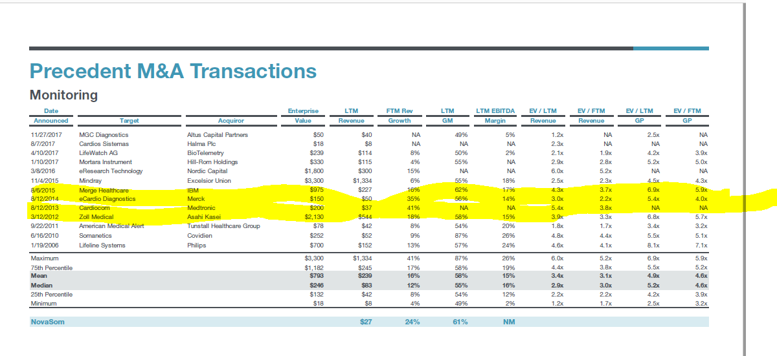
DEAL COMPS

($ in millions)
 |  |  |  | Purchsae |  | PP /
Announced | Acquirer | Target | Target Description | Price (PP) | LTM Revenue | Revenue

April 2017 | BioTelemetry | LifeWatch | Provider of remote cardiac monitoring diagnostic services for healthcare professionals. | $239.0 | $114.0 | 2.1x
Sept 2014 | Preventice | eCardio Diagnostics | Provider of ambulatory cardiac monitoring products and services for arrhythmia diagnosis | $150.0 | $50.0 | 3.0x
Aug 2013 | Medtronic | Cardiocom | Manufacturer and distributor of health monitoring products for multiple chronic diseases | $200.0 | $37.0 | 5.4x
Aug 2012 | Linde | Lincare | Supplier of durable / home medical equipment such as hospital beds, wheelchairs, CPAP, pulsox, etc. | $3,600.0 | $1,964.0 | 1.8x

 |  |  |  | 75th Percentile |  | 3.6x
 |  |  |  | Median |  | 2.5x
 |  |  |  | 25th Percentile |  | 2.0x

 |  | Nola (2018A) |  |  | $27.1

Sources: PitchBook, Company Financials, Piper Jaffery, Public Filings & Internal Company Estimates.

Nov 2017 | Altus Capital | MGC Diagnostics |  | $62.1 | $40.5 | 1.5x

Pub Comps
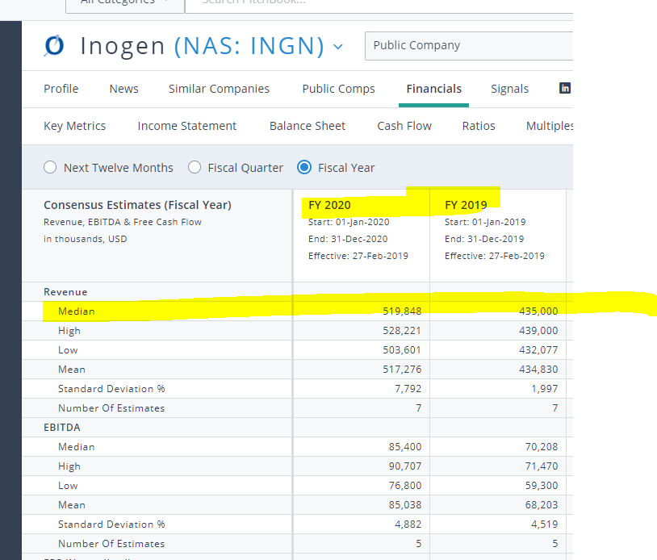
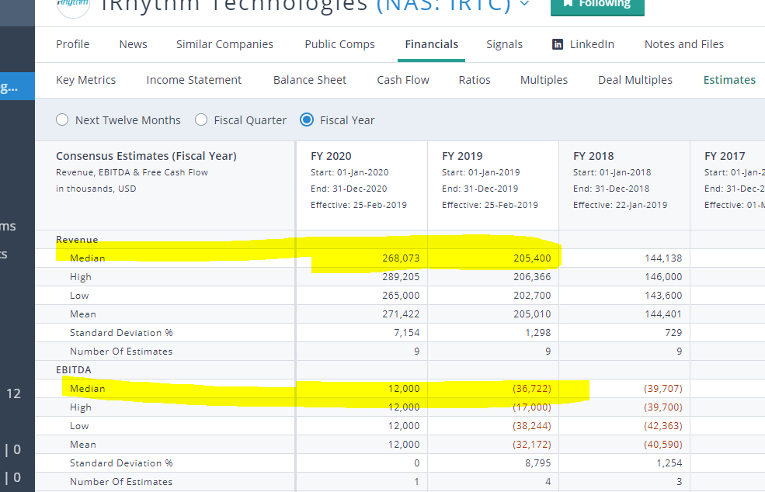
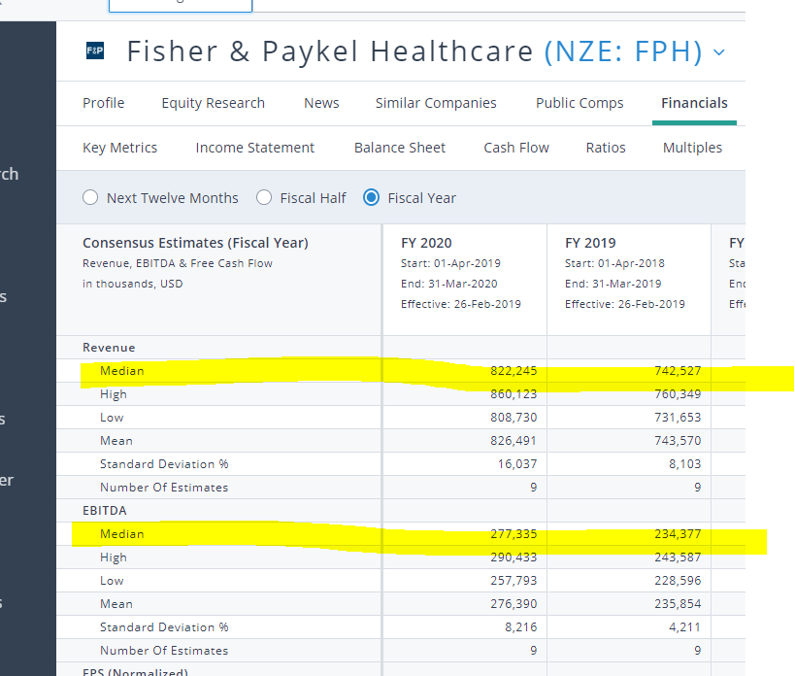
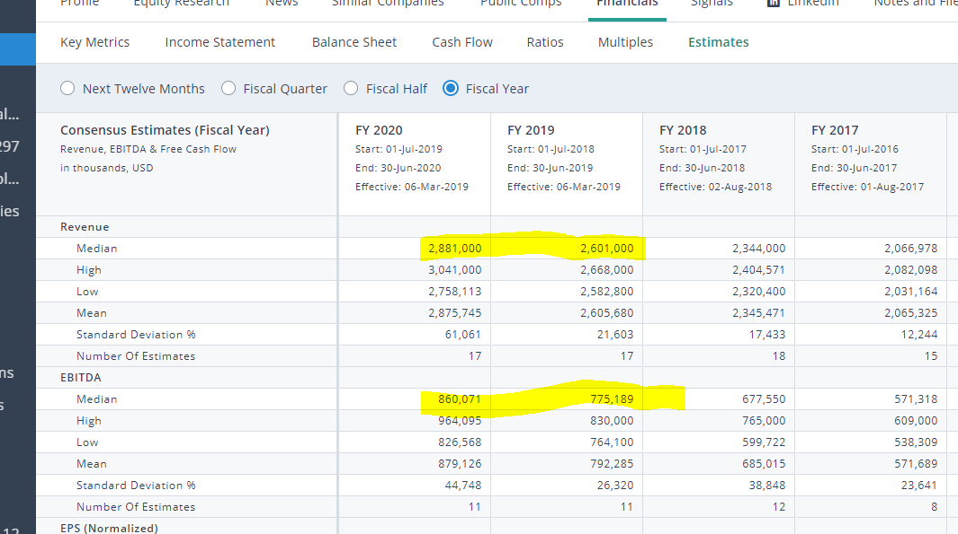
PUB COMPS

($ in millions)
 |  |  | Revenue |  |  | Revenue Growth % |  | GM % | EBITDA |  |  | EBITDA % |  |  | EV/Revenue |  | EV/EBITDA
 | Company | EV | 2018A | 2019E | 2020E | 2018A-2019E | 2019E-2020E | 2018A | 2018A | 2019E | 2020E | 2018A | 2019E | 2020E | 2018A | 2019E | 2018A | 2019E
DIAGNOSTICS | BioTelemetry | $2,358 | $389 | $441 | $486 | 13.2% | 10.2% | 63.1% | $91 | $128 | $143 | 23.4% | 29.0% | 29.5% | 6.1x | 5.3x | 25.9x | 18.4x
 | Inogen | $1,881 | $358 | $435 | $520 | 21.5% | 19.5% | 48.6% | $48 | $70 | $85 | 13.5% | 16.1% | 16.4% | 5.3x | 4.3x | 38.8x | 26.8x
 | iRhythm | $2,156 | $147 | $205 | $268 | 39.4% | 30.5% | 71.9% | ($43) | ($37) | $12 | NM | NM | 4.5% | 14.6x | 8.0x | NM | NM
SLEEP | Fisher & Paykel | $5,829 | $689 | $743 | $822 | 7.8% | 10.7% | 65.0% | $225 | $234 | $277 | 32.6% | 31.6% | 33.7% | 8.5x | 7.8x | 26.0x | 24.9x
 | Itamar Medical | $107 | $21 | NA | NA | NA | NA | 73.0% | ($0) | NA | NA | NM | NA | NA | 5.2x | NM | NM | NM
 | ResMed | $15,448 | $2,340 | $2,601 | $2,881 | 11.1% | 10.8% | 58.1% | $653 | $775 | $860 | 27.9% | 29.8% | 29.9% | 6.6x | 5.9x | 23.6x | 19.9x

 |  |  |  |  |  |  |  |  |  | 75th Percentile |  | 29.1% | 30.2% | 29.9% | 8.0x | 7.8x | 29.2x | 25.3x
 |  |  |  |  |  |  |  |  |  | Median |  | 25.7% | 29.4% | 29.5% | 6.3x | 5.9x | 25.9x | 22.4x
 |  |  |  |  |  |  |  |  |  | 25th Percentile |  | 20.9% | 25.8% | 16.4% | 5.5x | 5.3x | 25.3x | 19.6x

 | Standalone Case |  | $27.1 | $31.8 | $45.2 | 17.3% | 42.1% | 59.6% | $3.7 | $0.5 | $5.3 | 13.8% | 1.5% | 11.7%
 | Synergy Base Case |  | $27.1 | $33.8 | $59.7 | 24.7% | 76.7% | 59.6% | $3.7 | ($1.4) | $7.7 | 13.8% | -4.2% | 12.8%

 | Sources: PitchBook, Company Financials, Piper Jaffery, Public Filings & Internal Company Estimates. Enterprise Value calculation based off stock closing price of [March 9, 2019]

NOLs
